LinkADR Command Calculator
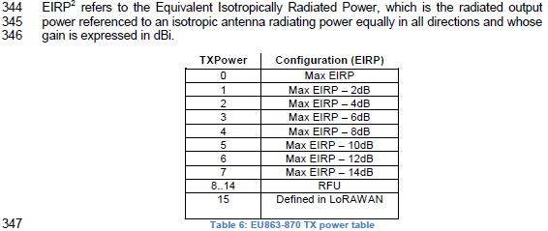 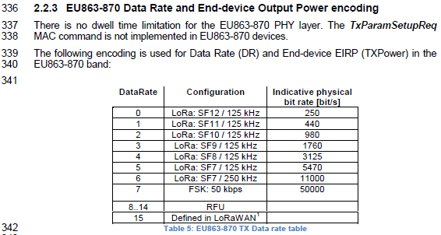
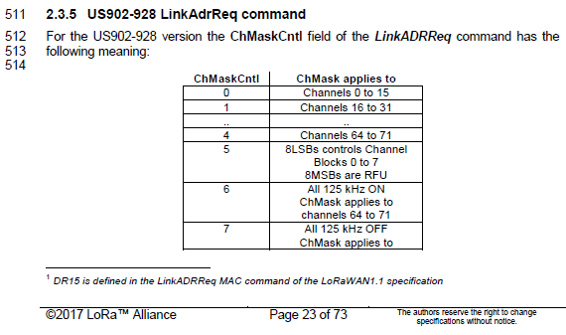 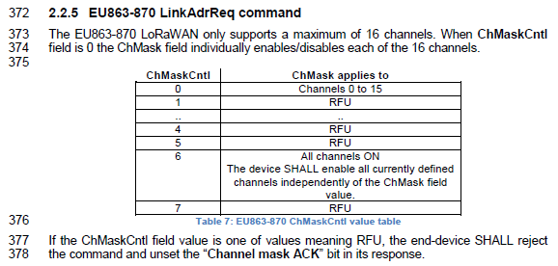
5.2 Link ADR commands (LinkADRReq, LinkADRAns), LoRaWAN 1.0.2 -1.1.0 Specification, LoRaWAN 1.1 Regional Parameters
Copyright © BARANI DESIGN Technologies s.r.o. a manufacturer of Professional IoT microweather stations and weather sensors which meet all requirements of the WMO and NWS for professional climate monitoring.
Description: This caclulator creates the Hex value to input into the LinkADR command. Example values: 5000FF01 = (EU868, data rate = 5, max eirp, channels 1-8 enabled, NbTrans=1); 0000FF03 = (EU868, data rate = 0, max eirp, channels 1-8 enabled, NbTrans=3);

Command Name = | LinkADRReq
OUTPUT Calculated Hex = | 5200FF03
OUTPUT Calculated uint32 = | 1375796995
Part Description = | DataRate_TXPower | ChMask |  | Redundancy
Byte number = | 1 | 2 | 3 | 4
Part Values = | 52 | 00FF |  | 03

Part = | DataRate_TXPower
Description = | DataRate |  |  |  | TXPower
Bit number = | 7 | 6 | 5 | 4 | 3 | 2 | 1 | 0
INPUT Desired Value = | 5 |  |  |  | 2
Binary = | 0101 |  |  |  | 0010
Concatenated Binary = | 01010010
OUTPUT Hexadecimal = | 52
OUTPUT uint32 = | 82

Part = | ChMask
Channel number = | Ch.16 | Ch.15 | Ch.14 | Ch.13 | Ch.12 | Ch.11 | Ch.10 | Ch.9 | Ch.8 | Ch.7 | Ch.6 | Ch.5 | Ch.4 | Ch.3 | Ch.2 | Ch.1
Bit number = | 15 | 14 | 13 | 12 | 11 | 10 | 9 | 8 | 7 | 6 | 5 | 4 | 3 | 2 | 1 | 0
INPUT Desired Value = | 0 | 0 | 0 | 0 | 0 | 0 | 0 | 0 | 1 | 1 | 1 | 1 | 1 | 1 | 1 | 1
Concatenated Binary = | 0000000011111111
OUTPUT Decimal = | 255
OUTPUT Hexadecimal = | 00FF

Part = | Redundancy
Description = | RFU | ChMaskCntl |  |  | NbTrans
Bit number = | 7 | 6 | 5 | 4 | 3 | 2 | 1 | 0
INPUT Desired Value = | 0 | 0 |  |  | 3
Binary = | 0 | 000 |  |  | 0011
Concatenated Binary = | 00000011
OUTPUT Hexadecimal = | 03

